Week 5 - Earnings per Share
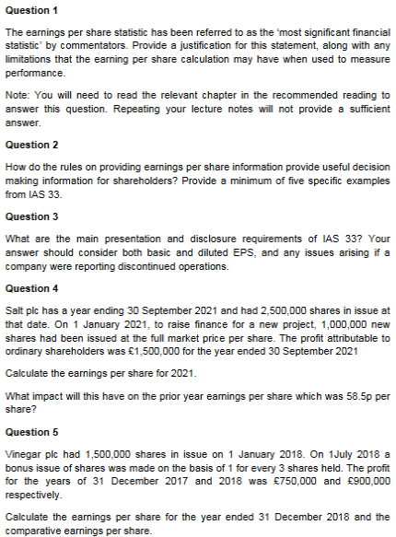
Question 1:

One of the most widely publicised ratios for a public company is
the price/earnings or PE ratio. The PE ratio is significant because,
by combining it with a forecast of company earnings, analysts can
decide whether the shares are currently over or undervalued.

Question 2:

1. Basic EPS Calculation (as per IAS 33.10)

2. Diluted EPS (as per IAS 33.30)

3. Presentation of IAS and Diluted (as per IAS 33.66)

4. Restatement of EPS for prior periods (as per IAS 33.64)

5. Disclosure of Anti-Dilutive Securities (as per IAS 33.70)

Question 3:

By requiring both basic and diluted EPS to be presented with equal
prominence on the face of the statement of profit or loss, shareholders
get a clear, side-by-side comparison, which is essential for understanding
the impact of potential dilution.

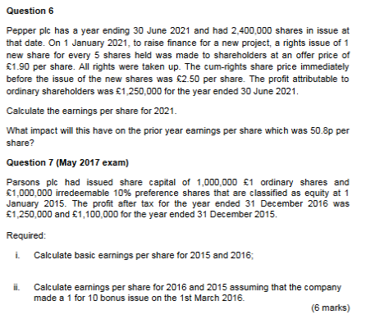
Example: If a company reports a basic EPS of $1.00 but a diluted EPS of
$0.95, it signals to shareholders that there are significant dilutive
securities, which might affect future earnings per share.

Question 4: | Step 1:
 | Calculate the average price of shares before and after
Step 1: | a rights issue to identify the amount of the bonus the
 | company has granted.
1 Jan 2018 -> 1,500,000 Shares
1 July 2018 -> 2,000,000 Shares | Step 2:
(+ 500,000 shares) | Calculate the weighted average number of shares for
 | the current year.

Step 2: | Step 3:
 | Calculate the basic EPS for the current year.
First 6 Months:
Number of shares: 1,500,000 | Step 4:
Time Period: 6/12 | Adjust the previous year's basic EPS for the bonus
Weighted Average: 750,000 Shares | element of the rights issue.

Last 6 Months:
Number of shares after bonus: 2,000,000
Time Period: 6/12
Weighted Average: 1,000,000 Shares

Total Weighted Avg. Number of Shares:
750,000 + 1,000,000 = 1,750,000 Shares

Step 3:

Basic EPS for 2018:
£900,000 / 1,750,000 Shares = £0.514 per Share

Step 4:

Adjusted EPS:
£750,000 / 2,000,000 Shares = £0.375 per Share

